1. Title Page
[Grocery Basket Analysis]

Project Name: Instacart - Grocery Basket Analysis
Date: 09/23/2025
Analyst Name: Chase Bjerke

Contents:
Population Flow
Consistency checks
Wrangling steps
Column derivations
Visualizations
Recommendations

3. Population Flow
Title page

Population flow

Exclusion flag
Condition: max_order <
Obervations to be removed:
Final total count of order_products_all:

Orders_products_combined
Orders_products_merged
Orders_products_all

Total: 32,435,059
Total: 32,434,489
Total: 32,436,199

1.) The grey boxes in the first row of the population flow represent the original data sets as they were when you downloaded them. In the Total fields you need to add the count of the rows when you imported the data set into Jupyter.
2.) The second row of boxes (coloured) represents the data sets after you manipulated them, e.g., removed missing values and duplicates. In the Total fields you need to add the count of the rows after conducting these operations. This offers a visual oveview of how the data flows throughout the data consistency checks.
3.) The third row, where also the arrows are coloured, represents the merges you performed between the datasets. In the Total fields you need to add the count of the rows in the merged datasets, so that you end up with the final dataset (in the red box). Keep in mind the final dataset should be without exclusions (based on the exclusion flag).

4. Consistency checks
 |  |  |  | Title page
Consistency checks

Dataset | Missing values | Missing values treatment | Duplicates
orders | 206,209 | NaN to Zero Conversion | 0
products | 16 | Removed missing values | 5
orders_products_prior | 0 | None | 0
df_ords_prods_merge | 0 | None | 0
departments | 0 | None | 0
customers | 0 | None | 0

Dataset | Outliers | Outlier Treatment
orders_products_prior | 99,999 | Manual Imputation via External Lookup
orders_products_prior | 14900 | Manual Imputation via External Lookup

5. Wrangling steps
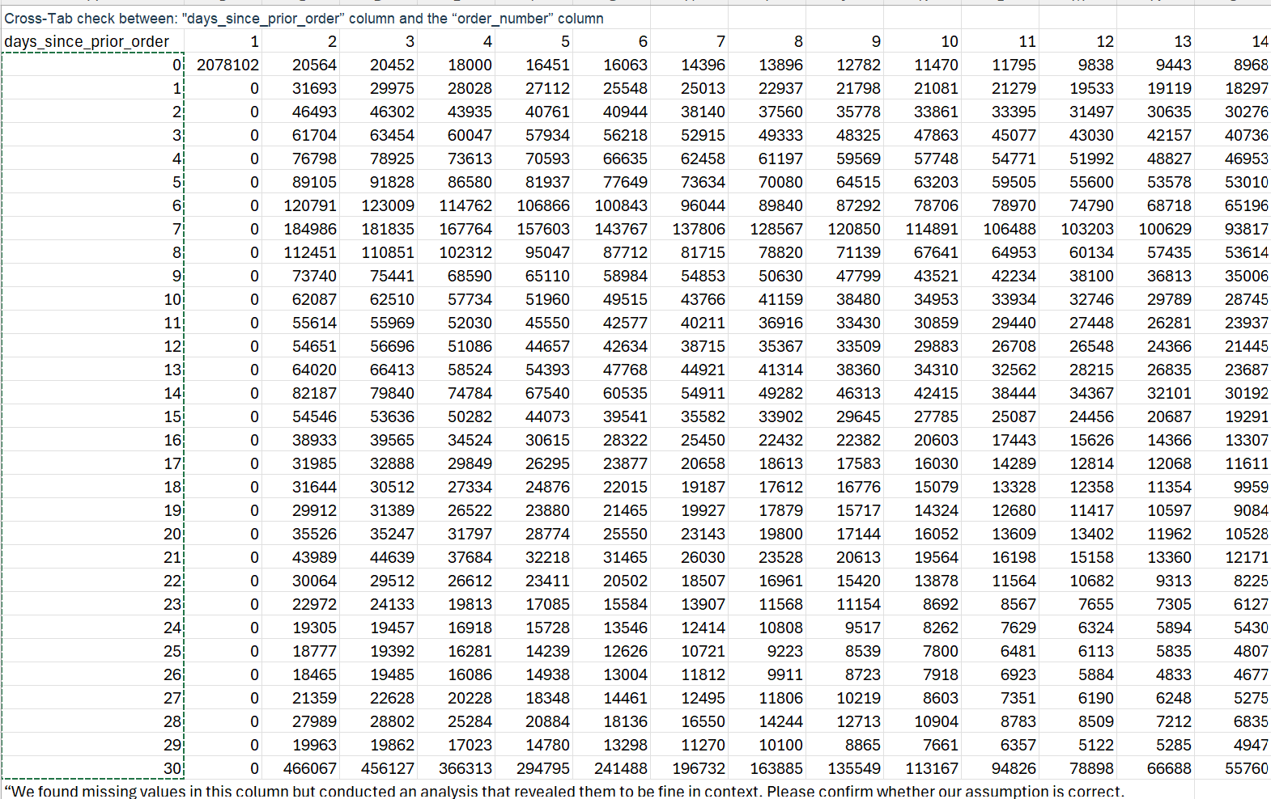
 |  |  |  | Title page
Wrangling steps

Columns dropped | Columns renamed | Columns' type changed | Comment/Reason
eval_set | order_dow --> orders_day_of_week | order_id --> string | order_id changed to string so it wouldn't be calc
price_range_loc | First Name ---> first_name | User_id --> string | user_id changed to string so it wouldn't be calc
 | Surnam ---> last_name
 | Gender ---> gender
 | STATE ---> state
 | Age ---> age
 | n_dependants ---> num_dependants
 | fam_status---> martial_status

6. Column derivations
 |  |  |  |  | Title page

Column derivations and aggregations

In this tab you should add tables below that the frequences of flags/label variables that you produced after deriving them. NB: don't do this for continuous variables, only for flags.
Dataset | New Column | Column/s it was derived from | Conditions / Logic
Instacart Merged | first_order | order_number | True if order_number == 1, else False
Instacart Merged | _merge | merge operation metadata | Created during merge() to track source of each row
Instacart Merged | price_range | prices | Categorized: ≤5 = Low, 5–15 = Mid, >15 = High
Instacart Merged | busiest_day | orders_day_of_week | Mapped: 0/1 = Busiest, 3/4 = Least busy, others = Regularly busy
Instacart Merged | busiest_period_of_day | order_hour_of_day | Labeled hours by frequency: Most, Average, Fewest orders
Instacart Merged | max_order | order_number (grouped by user_id) | Assigned max order number per user
Instacart Merged | loyalty_flag | max_order | Categorized: ≤10 = New, 11–40 = Regular, >40 = Loyal
Instacart Merged | order_frequency_flag | days_since_prior_order | Categorized: ≤10 = Frequent, 11–20 = Regular, >20 = Infrequent
Instacart Merged | avg_product_price | prices (aggregated by user_id) | Mean price per user across all orders
Instacart Merged | median_days_between_orders | days_since_prior_order (aggregated by user_id) | Median days between orders per user
Instacart Merged | spending_flag | avg_product_price | Categorized: ≤5 = Low spender, 5–15 = Mid spender, >15 = High spender
Instacart Merged | region | user_id or external mapping | Assigned region based on user location or lookup table
Instacart Merged | region_spending | region, spending_flag | Grouped spending behavior by region
Instacart Merged | age_group | user_id or external mapping | Assigned age group based on user profile
Instacart Merged | income_group | user_id or external mapping | Assigned income group based on user profile
Instacart Merged | dep_group | number_of_dependents | Categorized: 0 = None, 1–2 = Few, ≥3 = Many
Instacart Merged | parent_flag | dep_group | Flagged as Yes if dep_group ≠ None
Instacart Merged | family_depts | department | Subset of departments tagged as family-related
Instacart Merged | fresh_depts | department | Subset of departments tagged as fresh food
Instacart Merged | convenience_depts | department | Subset of departments tagged as convenience items
Instacart Merged | lifestyle_depts | department | Subset of departments tagged as lifestyle goods
Instacart Merged | family_goods_flag | family_depts | Flagged if user purchased from family departments
Instacart Merged | fresh_flag | fresh_depts | Flagged if user purchased from fresh departments
Instacart Merged | convenience_flag | convenience_depts | Flagged if user purchased from convenience departments
Instacart Merged | lifestyle_flag | lifestyle_depts | Flagged if user purchased from lifestyle departments
Instacart Merged | other_flag | department | Flagged if department not in any predefined category
Instacart Merged | customer_profile | multiple flags | Composite persona based on loyalty, spending, and behavior
Instacart Merged | Weekend Peak Shopper | order_hour_of_day, orders_day_of_week | High volume on weekends during peak hours
Instacart Merged | Evening Weekday Shopper | order_hour_of_day, orders_day_of_week | High volume on weekday evenings
Instacart Merged | Weekday Morning Regular | order_hour_of_day, orders_day_of_week | Consistent weekday morning orders
Instacart Merged | Quiet-Time Shopper | order_hour_of_day, orders_day_of_week | Orders during off-peak hours
Instacart Merged | Mixed-Time Shopper | order_hour_of_day, orders_day_of_week | No dominant time pattern
Instacart Merged | Affluent Parent | income_group, parent_flag | High income + parent_flag = Yes
Instacart Merged | Young Adult | age_group | Tagged if age_group = Young Adult
Instacart Merged | Midlife Shopper | age_group | Tagged if age_group = Midlife Adult
Instacart Merged | General Customer | No specific flags | Used as fallback persona
Instacart Merged | Family-Oriented Shopper | family_goods_flag | Flagged if user consistently buys family goods
Instacart Merged | Fresh Food Enthusiast | fresh_flag | Flagged if user consistently buys fresh food
Instacart Merged | Convenience Seeker | convenience_flag | Flagged if user consistently buys convenience items
Instacart Merged | Lifestyle Shopper | lifestyle_flag | Flagged if user consistently buys lifestyle goods
Instacart Merged | General Shopper | No dominant category flags | Used as fallback segment

Column Name | Flag Column (Yes/No) | Derived Feature (Yes/No) | Description | Type
first_order | Yes | No | True if it's the user's first order (order_number == 1) | Boolean
_merge | Yes | No | Indicates merge source: 'left_only', 'right_only', or 'both' | Categorical
loyalty_flag | Yes | No | Tags users as 'New', 'Regular', or 'Loyal' based on max_order | Categorical
order_frequency_flag | Yes | No | Tags users as 'Frequent', 'Regular', or 'Infrequent' | Categorical
price_range | No | Yes | Price bucket: 'Low', 'Mid', 'High' | Categorical
busiest_day | No | Yes | Day-of-week bucket: 'Busiest', 'Least busy', 'Regularly busy' | Categorical
busiest_period_of_day | No | Yes | Hour-of-day bucket: 'Most orders', 'Average orders', 'Fewest' | Categorical
max_order | No | Yes | Max order number per user, used to create the loyalty flags | Numeric
peak_hour_flag | Yes | Yes | Flags hours with highest order volume as 'Peak Hour' | Boolean
quiet_day_flag | Yes | Yes | Flags days with lowest order volume as 'Quiet Day' | Boolean
exclusion_flag | Yes | No | Flags rows for exclusion from analysis | Boolean or Categorical
region_spending | No | Yes | Spending behavior grouped by region | Categorical
age_group | No | Yes | Assigned age group based on user profile | Categorical
income_group | No | Yes | Assigned income group based on user profile | Categorical
dep_group | No | Yes | Categorized: 0 = None, 1–2 = Few, ≥3 = Many | Categorical
family_goods_flag | Yes | Yes | Flagged if user purchased from family departments | Boolean
fresh_flag | Yes | Yes | Flagged if user purchased from fresh departments | Boolean
convenience_flag | Yes | Yes | Flagged if user purchased from convenience departments | Boolean
lifestyle_flag | Yes | Yes | Flagged if user purchased from lifestyle departments | Boolean
other_flag | Yes | Yes | Flagged if department not in any predefined category | Boolean
Early | Yes | Yes | Flagged if user shops in early morning hours | Boolean
Morning | Yes | Yes | Flagged if user shops in morning hours | Boolean
Afternoon | Yes | Yes | Flagged if user shops in afternoon hours | Boolean
Evening | Yes | Yes | Flagged if user shops in evening hours | Boolean
Late Night | Yes | Yes | Flagged if user shops in late night hours | Boolean
Weekend Peak Shopper | Yes | Yes | High volume on weekends during peak hours | Boolean
Evening Weekday Shopper | Yes | Yes | High volume on weekday evenings | Boolean
Weekday Morning Regular | Yes | Yes | Consistent weekday morning orders | Boolean
Quiet-Time Shopper | Yes | Yes | Orders during off-peak hours | Boolean
Mixed-Time Shopper | Yes | Yes | No dominant time pattern | Boolean
Affluent Parent | Yes | Yes | High income + parent_flag = Yes | Boolean
Young Adult | Yes | Yes | Tagged if age_group = Young Adult | Boolean
Midlife Shopper | Yes | Yes | Tagged if age_group = Midlife Adult | Boolean
General Customer | Yes | No | Default fallback persona | Boolean

_merge | Count | % of Total Rows
both | 32,405,999 | 99.90%
left_only | 30,200 | 0.10%
right_only | 0 | 0.00%

Price Range | Count | % of Total Orders
Mid-range product | 21,866,565 | 67.40%
Low-range product | 10,126,883 | 31.20%
High range | 412551 | 1.30%
Not enough data | 30200 | 0.10%

Spending Category | Count | % of Total
Low spender | 32,316,393 | 99.60%
High spender | 119,806 | 0.40%

Order Frequency Category | Count | % of Total
Frequent customer | 95,233 | 46.20%
Regular customer | 67,689 | 32.80%
Non-frequent customer | 43287 | 21.00%

Category | Value | Notes
Busiest Day | 0 (Saturday) | Highest order volume
Busiest Day | 1 (Sunday) | Second highest volume
Least Busiest Day | 3 (Tuesday) | Low order volume
Least Busiest Day | 3 (Wednesday) | Low order volume

Hour of Day | Total Spend ($) | Rank
10 | 21,403,045 | 1st
11 | 21,265,102 | 2nd
14 | 20,982,570 | 3rd
15 | 20,780,281 | 4th
13 | 20,737,660 | 5th

exclusion_flag | Count | Percentage
Keep | 30,994,535 | 95.56%
Exclude | 1,441,664 | 44.40%

region | spending_flag_High spender | spending_flag_Low spender
Midwest | 0 | 99.62%
Northeast | 0 | 99.67%
South | 0 | 99.62%
West | 0 | 99.62%

age_group | count | percentage
Young Adult | 6,605,959 | 14.77%
Midlife Adult | 7,608,980 | 17.02%
Older Adult | 7,628,342 | 17.06%
Senior | 10,592,918 | 23.15%

income_group | count | percentage
Low Income | 9,005,116 | 20.12%
Middle Income | 8,603,363 | 19.23%
High Income | 10,773,096 | 24.04%
Very High Income | 4,054,624 | 90.50%

dep_group | count | percentage
None | 8,105,551 | 18.12%
Few (1–2) | 16,187,747 | 36.13%
Many (3+) | 8,142,901 | 18.18%

parent_flag | count | percentage
Yes | 24,330,648 | 75.00%
No | 8,105,551 | 25.00%

7. Visualizations
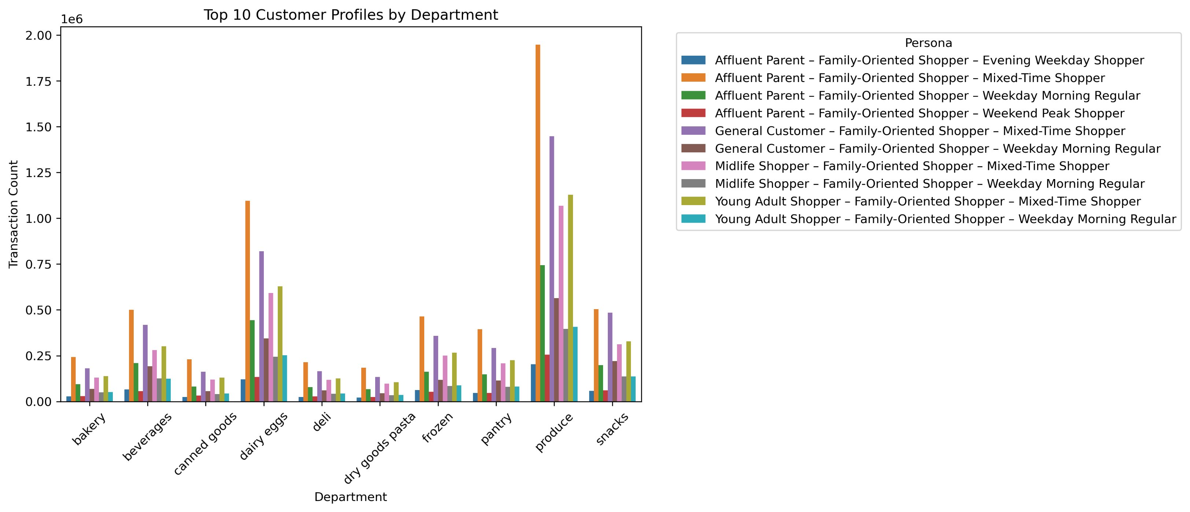
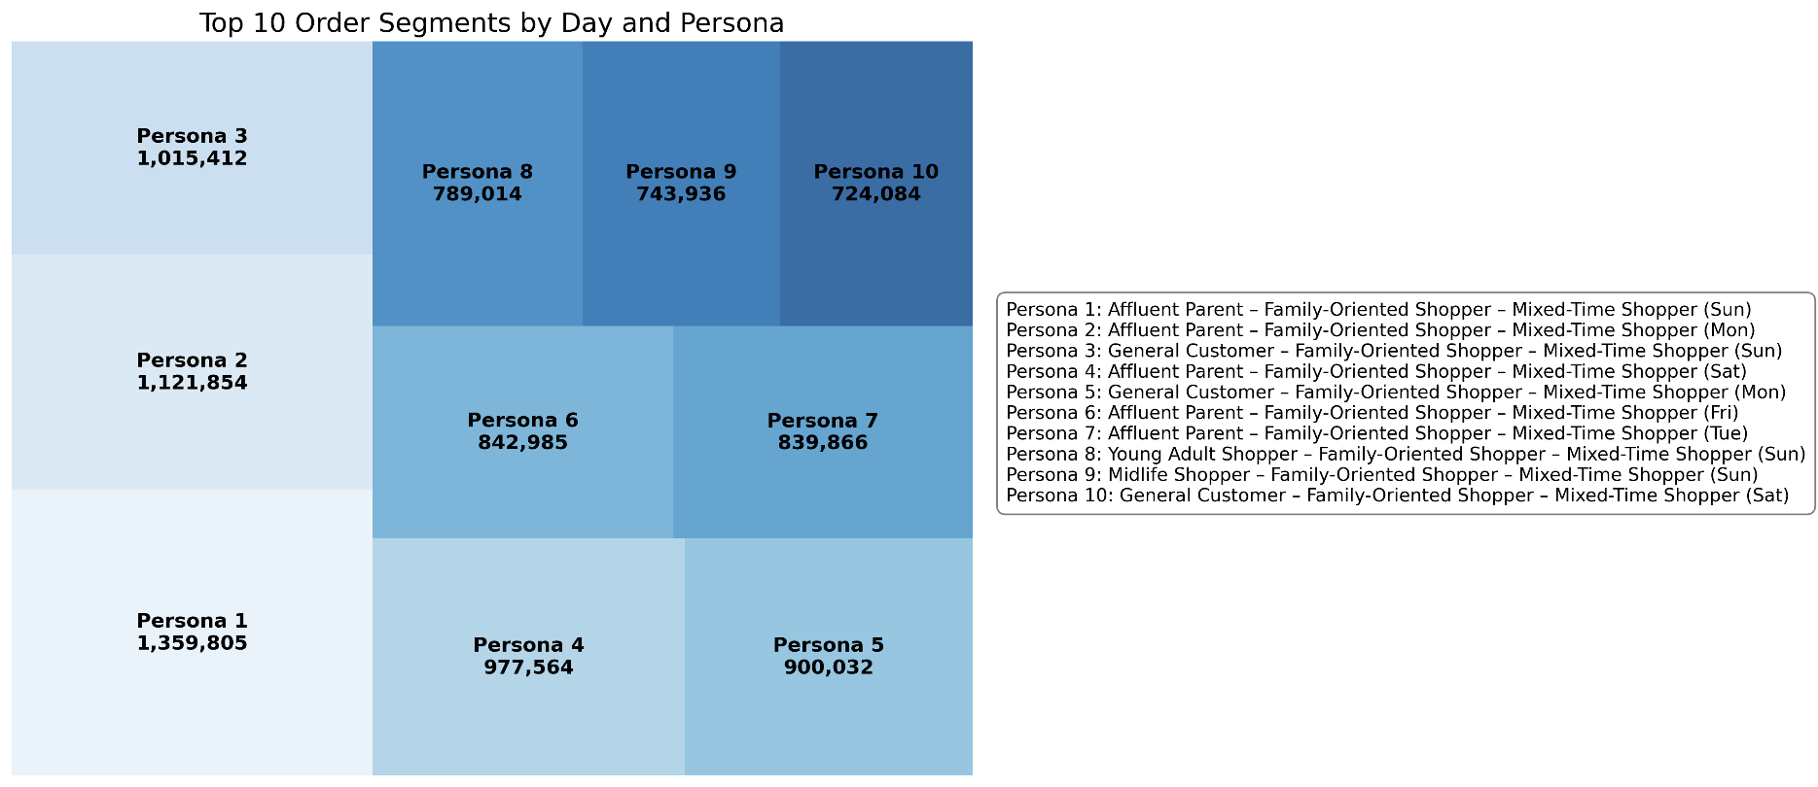
 | Title page

Visualisations

In this tab you should include all the visualtions from Exercises 4.9 and 4.10, alongside the questions from the project brief that they answer. Include any commentary on the relationship between different variables.

Key Question 1
The sales team needs to know what the busiest days of the week and hours of the day are (i.e., the days and times with the most orders) in order to schedule ads at times when there are fewer orders.
Comments:
Histogram (Order Hour of Day): Most orders placed between 9 AM–3 PM, peaking at 10–11 AM; aligns with highest spend and midday decision-making.
Bar Chart (Orders by Day of Week): Saturday (0) leads in volume, followed by Sunday (1); weekdays dip midweek and recover by Friday (6).

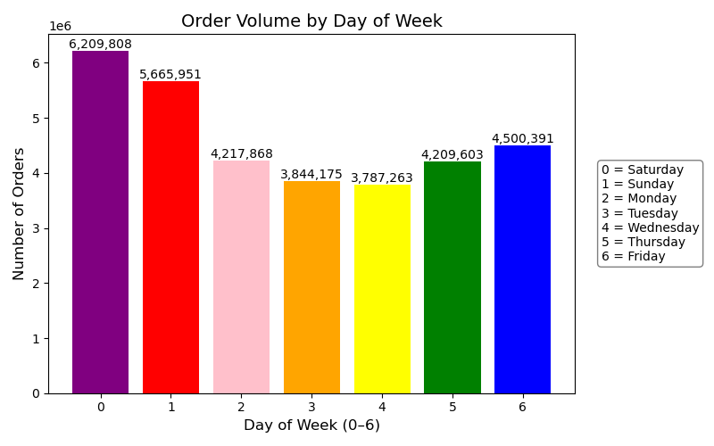
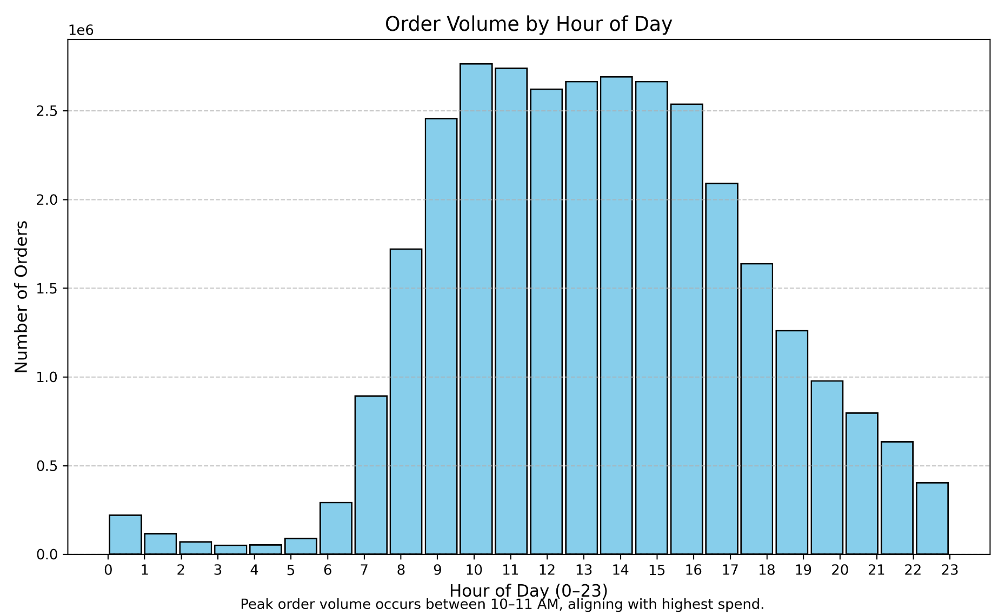

Key Question 2
They also want to know whether there are particular times of the day when people spend the most money, as this might inform the type of products they advertise at these times.
Comments:
Line Chart (Average Expenditure by Hour of Day): Spend peaks around 3 AM, dips at 9 AM, then stabilizes through the afternoon and evening.
Line Chart (Order Volume by Day of Week): Saturday and Sunday lead in volume; midweek dips suggest potential for premium product targeting on weekends.

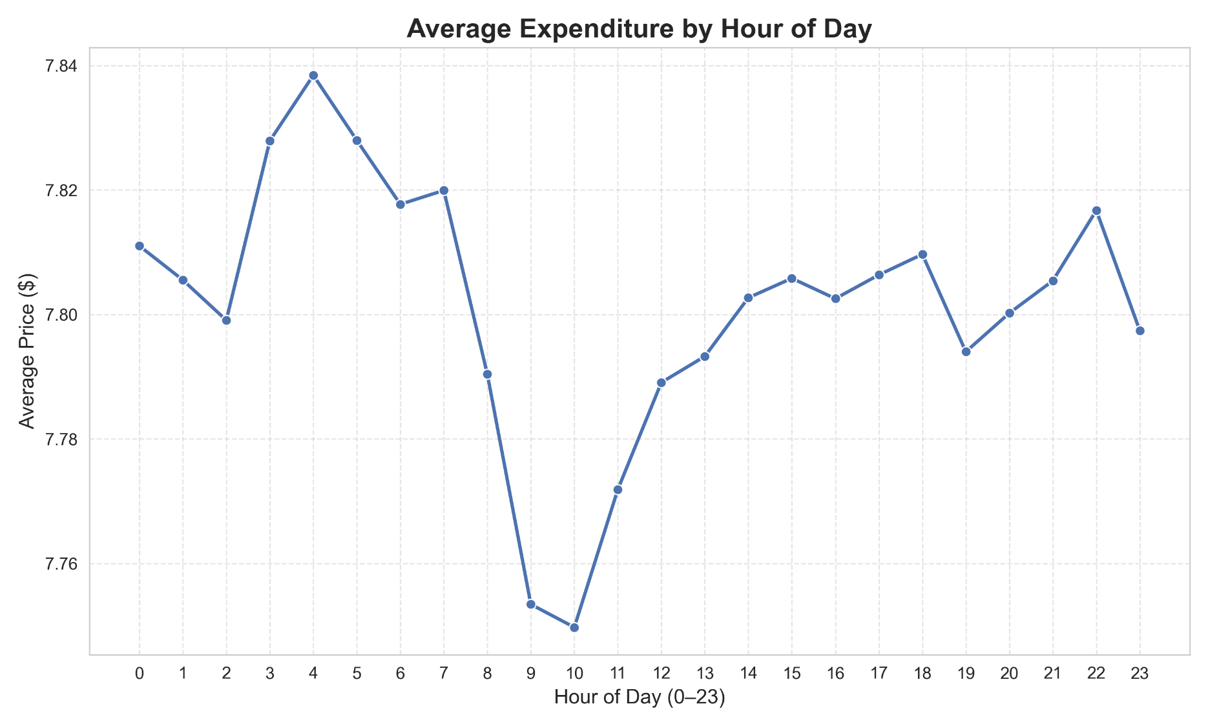
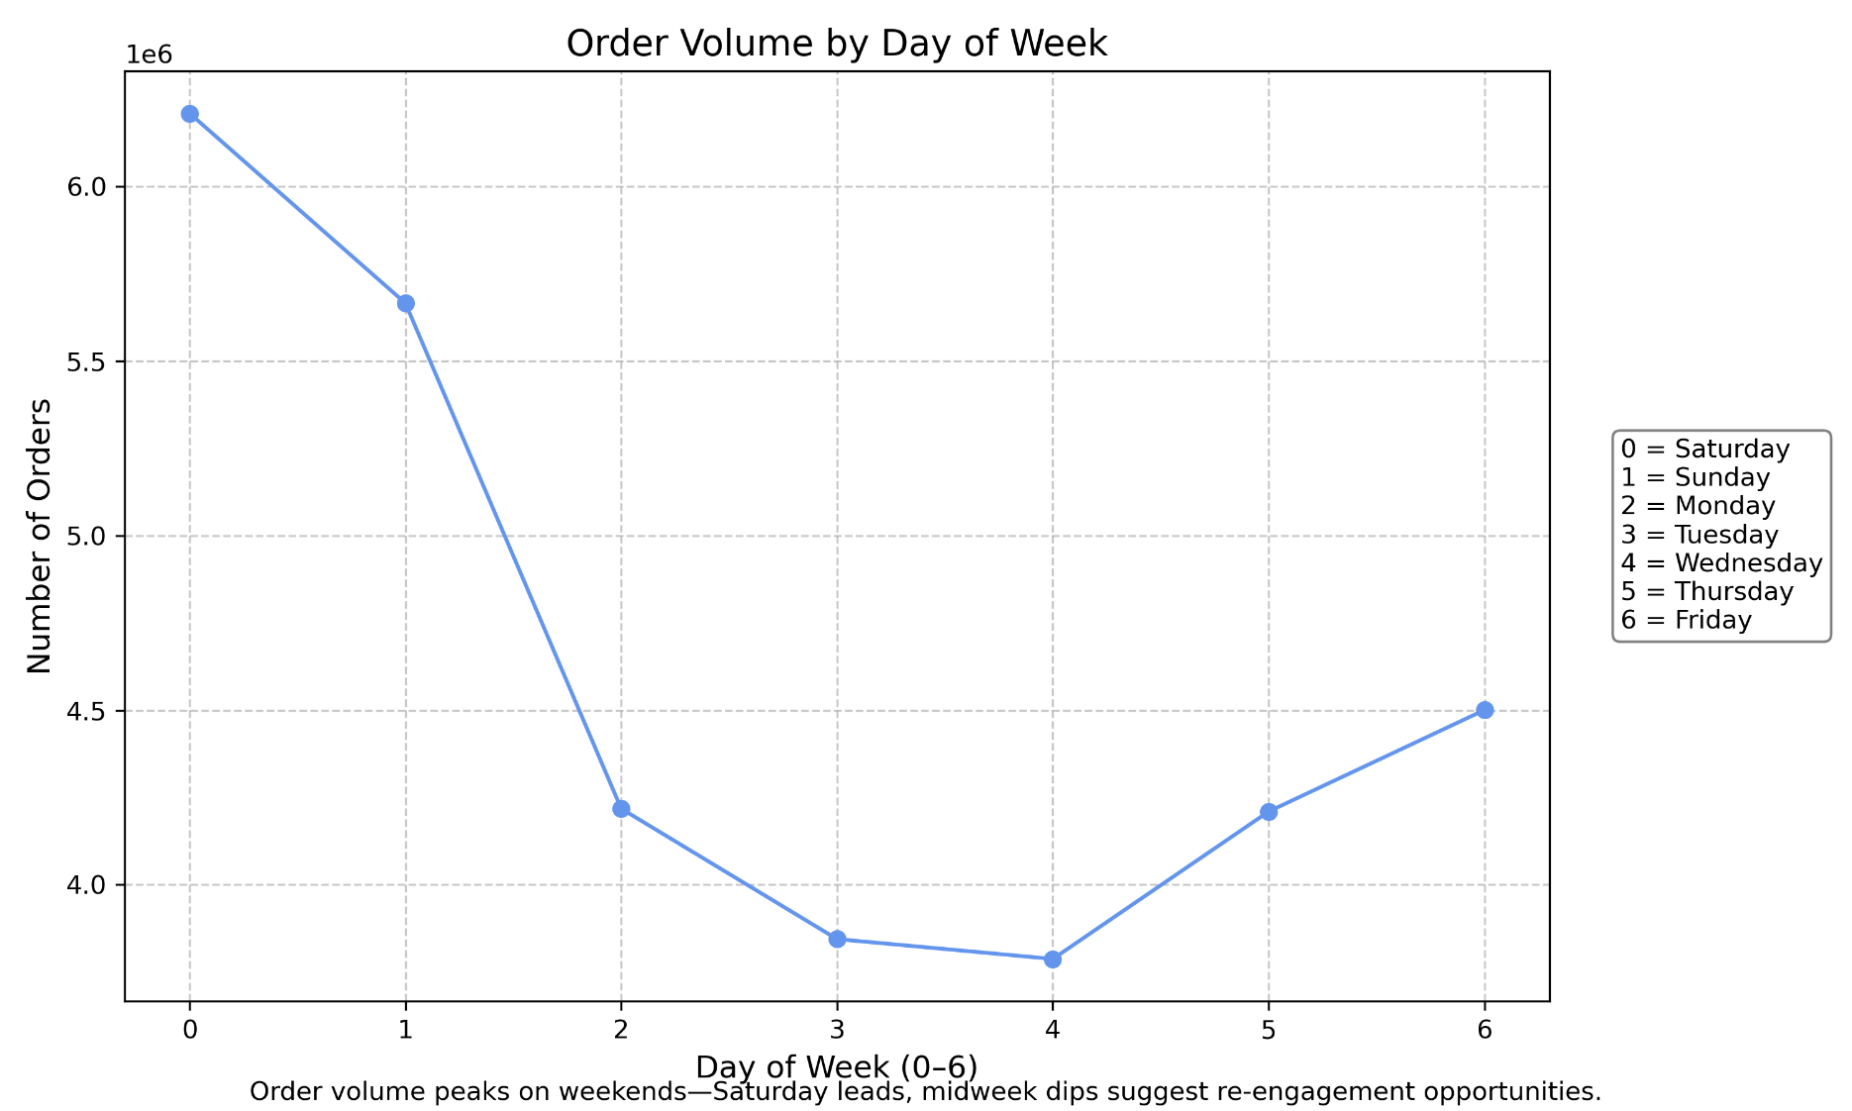

Key Questions 3
Instacart has a lot of products with different price tags. Marketing and sales want to use simpler price range groupings to help direct their efforts.
Comments:
Bar Chart (Distribution of Orders by Price Range): Mid-range products dominate order volume; low-range follows; high-range products are rarely purchased.

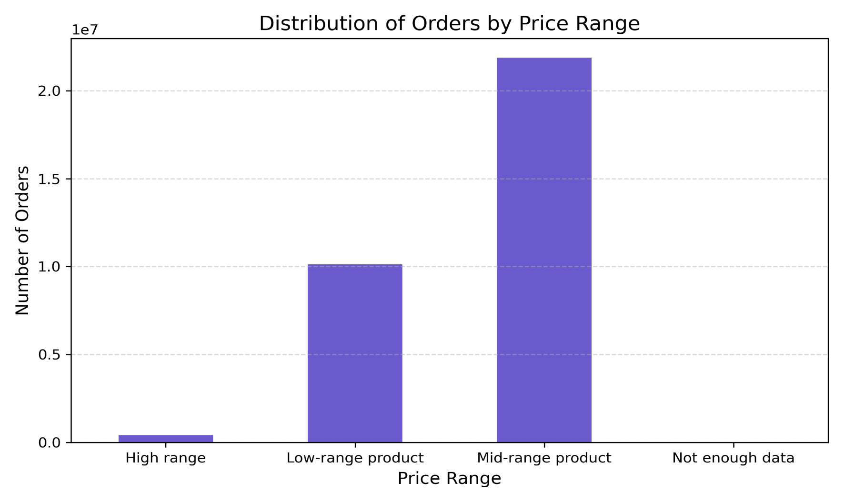

Key Question 4
Are there certain types of products that are more popular than others? The marketing and sales teams want to know which departments have the highest frequency of product orders.
Comments:
Bar Chart (Top 5 Departments by Product Count): Produce leads in product volume, followed by Dairy Eggs, Snacks, Beverages, and Frozen—suggesting high consumer interest in fresh and staple categories.

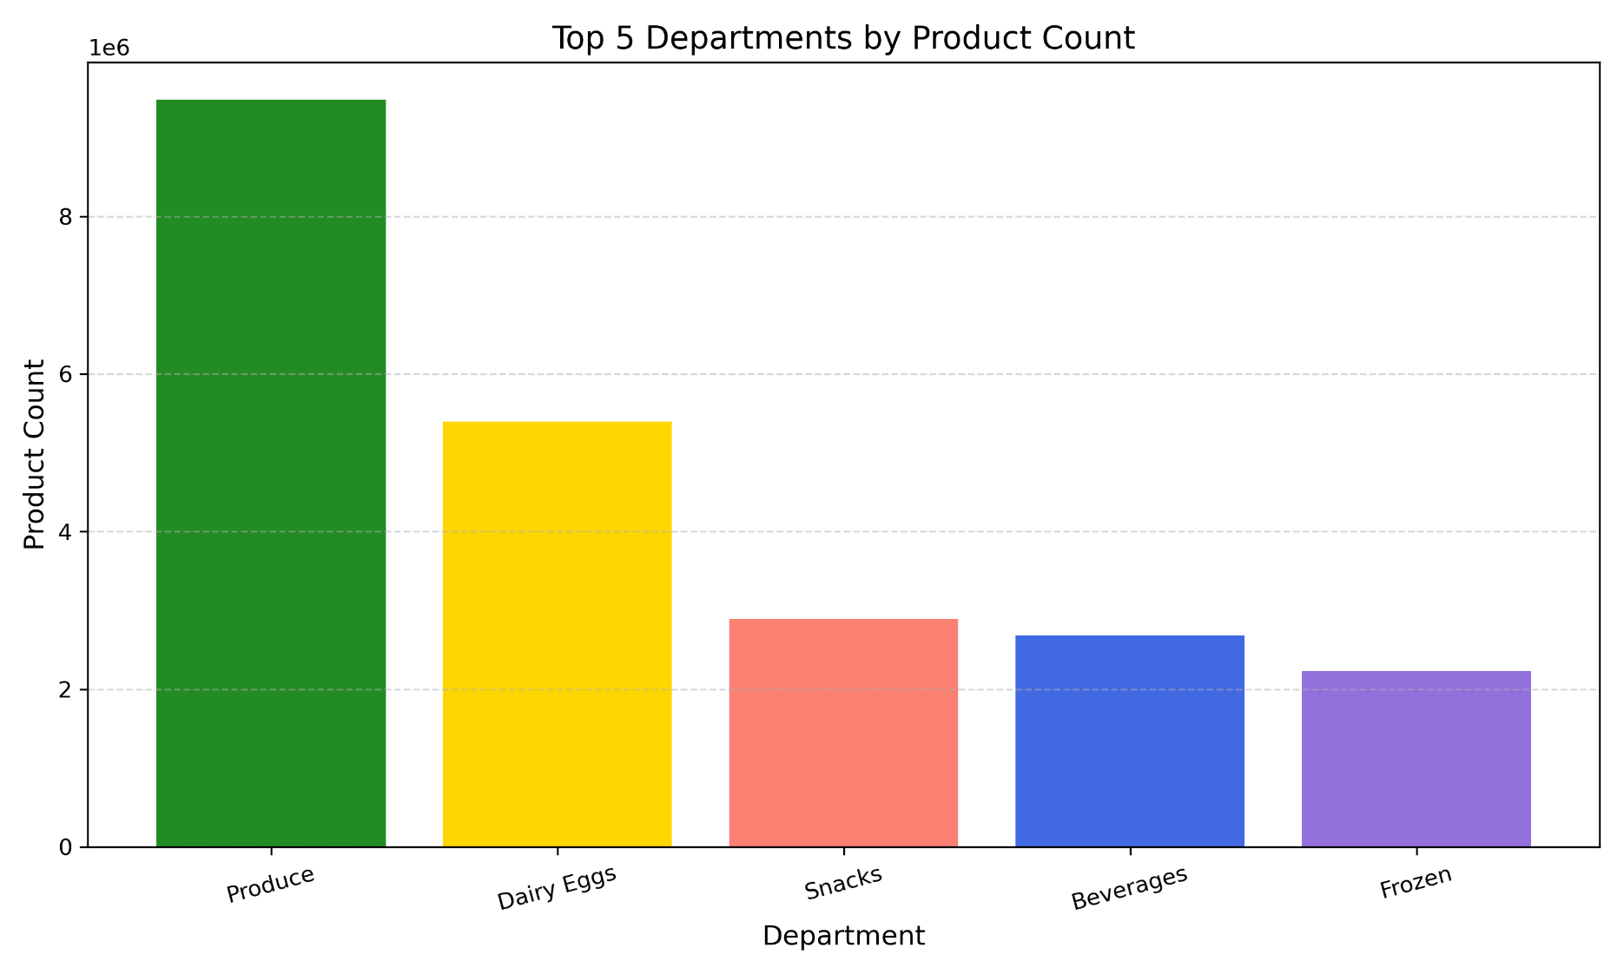

Key Question 5
What’s the distribution among users in regards to their brand loyalty (i.e., how often do they return to Instacart)?
Comments:
Bar Chart (Customer Loyalty Distribution): Regular customers lead in order volume, followed by loyal customers; new customers show lowest engagement.
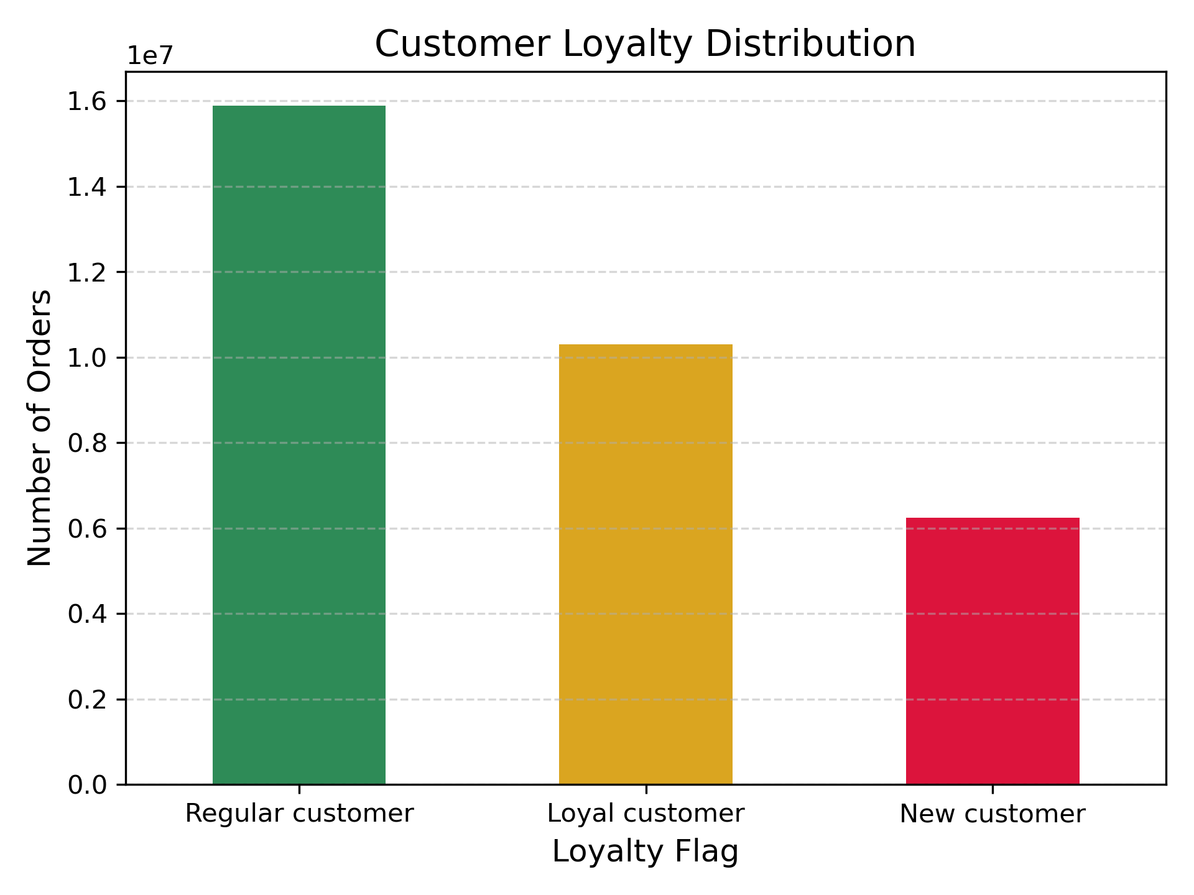

Key Question 6
Are there differences in ordering habits based on a customer’s region?
Comments: There differences were so small that it made more sense not to make a visual for it and would be more confusing than helpful.

Key Question 7
What different classifications does the demographic information suggest? Age? Income? Certain types of goods? Family status?
Comments:
Bar Chart (Top 10 Customer Personas): Most customers fall into family-oriented mixed-time shopper personas, with affluent and general segments leading.
Scatter Plot (Income vs Age): Income varies widely across all age groups; dense cluster below $200K suggests broad middle-income base with outliers.
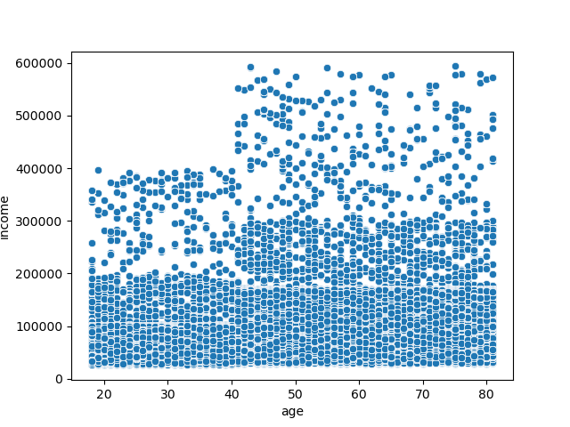
Bar Chart (Top Profiles by Region): Regional variation shows affluent and general personas dominate across South, West, and Midwest; Northwest skews smaller and simpler.

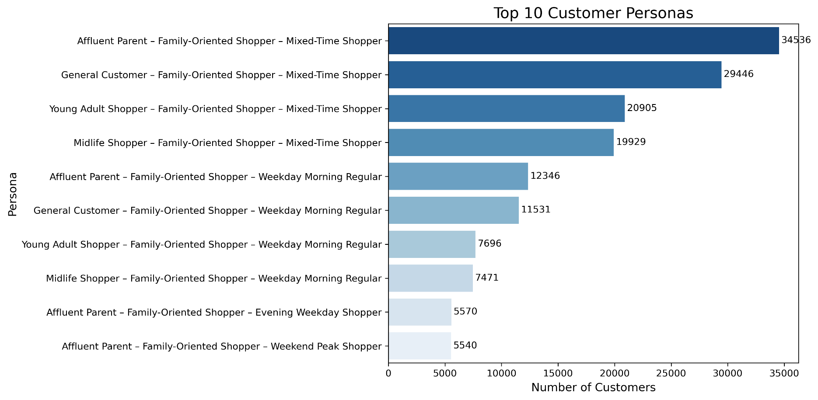

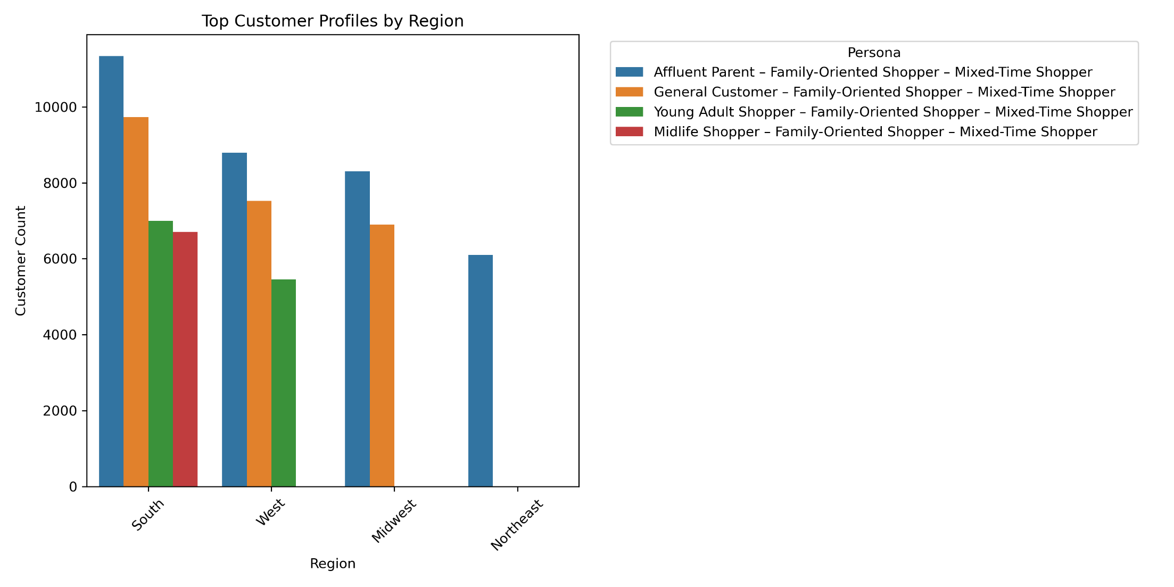

Key Question 8
What differences can you find in ordering habits of different customer profiles? Consider the price of orders, the frequency of orders, the products customers are ordering, and anything else you can think of.
Comments:
Bar Chart (Top 10 Customer Profiles by Department): Personas vary by department; affluent weekday regulars dominate produce, while mixed-time shoppers span snacks and beverages.
Heatmap (Top 10 Order Segments by Day and Persona): Order volume peaks vary by persona and day; weekday morning regulars show consistent engagement, weekend peak shoppers cluster on Saturdays.

8. Recommendations
 |  |  | Title page

Recommendations

In this tab you should include any recommendations you would made to Instcart in terms of their marketing strategy based on the questions posed in the brief. Every key question has been covered in the Tasks of the Exercises - here you need to add an item - a visualisation or table/crosstable that is showing the answer in the data, acompanied by a comment from you. Please, list the questions below and add the answer underneath.

Key Questions | Answer Summary | Recommendations
1 - The sales team needs to know what the busiest days of the week and hours of the day are (i.e., the days and times with the most orders) in order to schedule ads at times when there are fewer orders. | Busiest Days: 0 = Saturday, 1 = Sunday Least Busy Days: 3 = Tuesday, 3 = Wednesday Busiest Hours per Day: • 10 (10 AM): 2,764,476 orders • 11 (11 AM): 2,738,647 orders • 14 (2 PM): 2,691,598 orders • 15 (3 PM): 2,664,583 orders • 13 (1 PM): 2,663,346 orders | Run ads during quieter time frames like Tuesday and Wednesday, especially outside 10 AM–3 PM. This helps maximize how often ads are seen and increases the chance they’ll bring in new customers.
2 - They also want to know whether there are particular times of the day when people spend the most money, as this might inform the type of products they advertise at these times. | Peak Spending Hours (order_hour_of_day): • 10 (10 AM): $21,403,045.10 • 11 (11 AM): $21,265,101.80 • 14 (2 PM): $20,982,570.00 • 15 (3 PM): $20,780,281.40 • 13 (1 PM): $20,737,660.20 | Midday shoppers spend the most, so push higher-margin products between 10 AM and 3 PM. Ads during these hours should focus on convenience, bundles, or quick wins.
3 - Instacart has a lot of products with different price tags. Marketing and sales want to use simpler price range groupings to help direct their efforts. | Price Range Classification: • Prices ≤ $5 → Low-range product • Prices > $5 and ≤ $15 → Mid-range product • Prices > $15 → High-range product • Missing or invalid price → Not enough data | The sales team should use the new tier price guidelines for targeting the customers. Since mid-range products make up most of the orders, they’re the best candidates for promotions, bundles, and featured campaigns.
4 - Are there certain types of products that are more popular than others? The marketing and sales teams want to know which departments have the highest frequency of product orders. | Top Departments by Product Count: • Produce (ID 4): 9,479,291 products • Dairy Eggs (ID 16): 5,398,747 products • Snacks (ID 19): 2,887,550 products • Beverages (ID 7): 2,688,123 products • Frozen (ID 1): 2,234,743 products | Marketing and sales should focus on the top-performing departments: produce, dairy, snacks, beverages, and frozen. These categories consistently drive high order volume, so campaigns and promotions should reflect how customers actually shop them.
5 - What’s the distribution among users in regards to their brand loyalty (i.e., how often do they return to Instacart)? | Loyalty Segment Breakdown: • Regular Customer: 15,891,507 orders (~45.6%) • Loyal Customer: 10,294,027 orders (~29.5%) • New Customer: 6,249,525 orders (~17.9%) | Regular and loyal customers drive most of the volume. Marketing and sales should focus on retention through personalized offers, loyalty perks, and reactivation flows. New customers need onboarding and low-friction incentives to build repeat behavior and move into higher-value segments.
6 - Are there differences in ordering habits based on a customer’s region? | Loyalty Price Sensitivity Summary: • Mean price is nearly identical across loyalty groups (~$7.77–$7.80) • Median price is consistent at $7.40 • Standard deviation and max price are also similar | No major price differences across regions, so pricing should stay consistent. Focus instead on regional persona mix and timing patterns to guide inventory decisions and campaign scheduling.
7 - What different classifications does the demographic information suggest? Age? Income? Certain types of goods? Family status? | Demographic classifications suggest: • Age groups show distinct personas for example: Young Adults vs. Midlife Shoppers • Income varies widely by age, but most customers fall below $200K • Family status is dominant, nearly all top personas are family-oriented • Shopping time preferences, for example: Mixed-Time vs. Weekday Morning, further segment behavior | Segment by age, income, and family status. Prioritize product recommendations that match life stage for example: snacks for younger shoppers, bulk produce for families, and convenience items for busy professionals. Schedule campaigns around persona timing to improve engagement and conversion.
8 - What differences can you find in ordering habits of different customer profiles? Consider the price of orders, the frequency of orders, the products customers are ordering, and anything else you can think of. | Ordering habits vary by customer profile: • Price: Average order price is consistent across profiles (~$7.77–$7.80) • Frequency: MaxTime Shoppers place the highest number of orders, especially on weekends • Products: Pantry, produce, and dairy dominate across personas; young adults favor snacks and frozen • Timing: Mixed-Time and Weekday Morning shoppers show distinct behavioral patterns • Region: South and West regions have higher concentrations of top personas | MaxTime shoppers order frequently and lean toward weekends, making them ideal for bundles, recurring promotions, and upsell strategies. Product targeting should reflect persona traits—for example, pantry staples for Young Parents, convenience and snack items for Wealthy Professionals, and value bundles for Budget-Conscious Families. Schedule campaigns around when each profile is most active to maximize visibility and conversion.

